Other Environmental Criteria
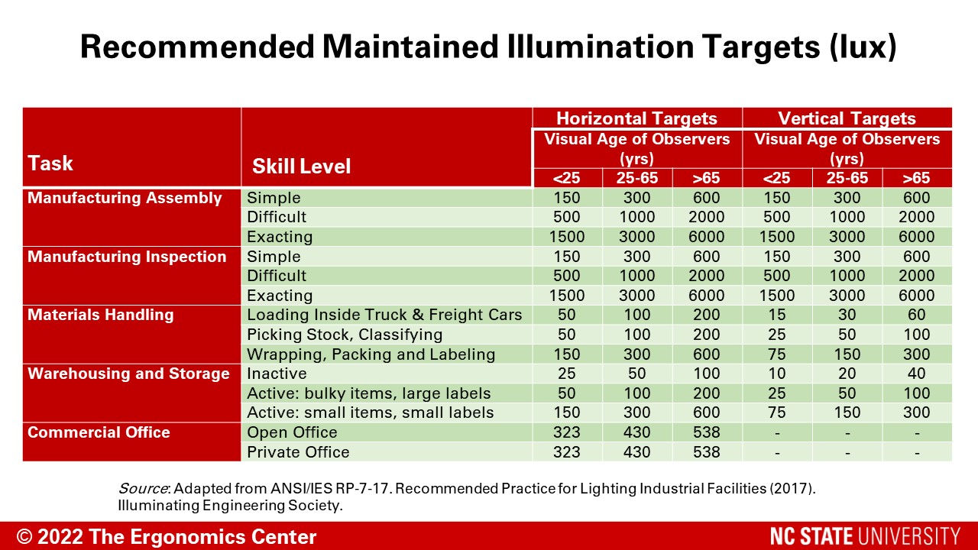

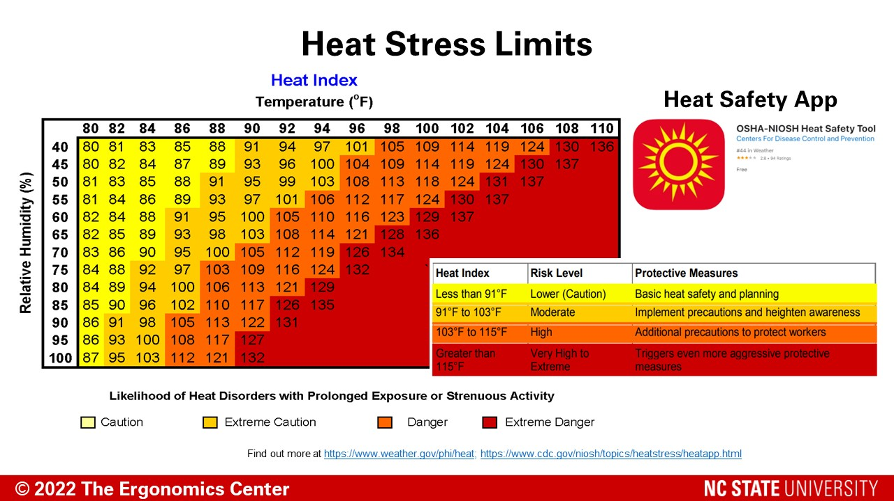

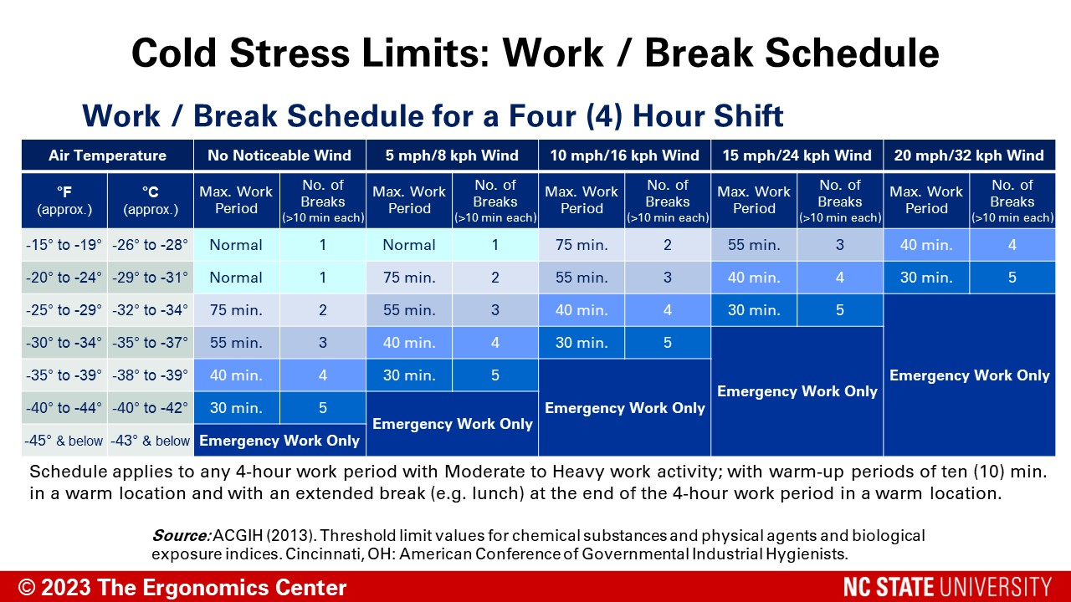

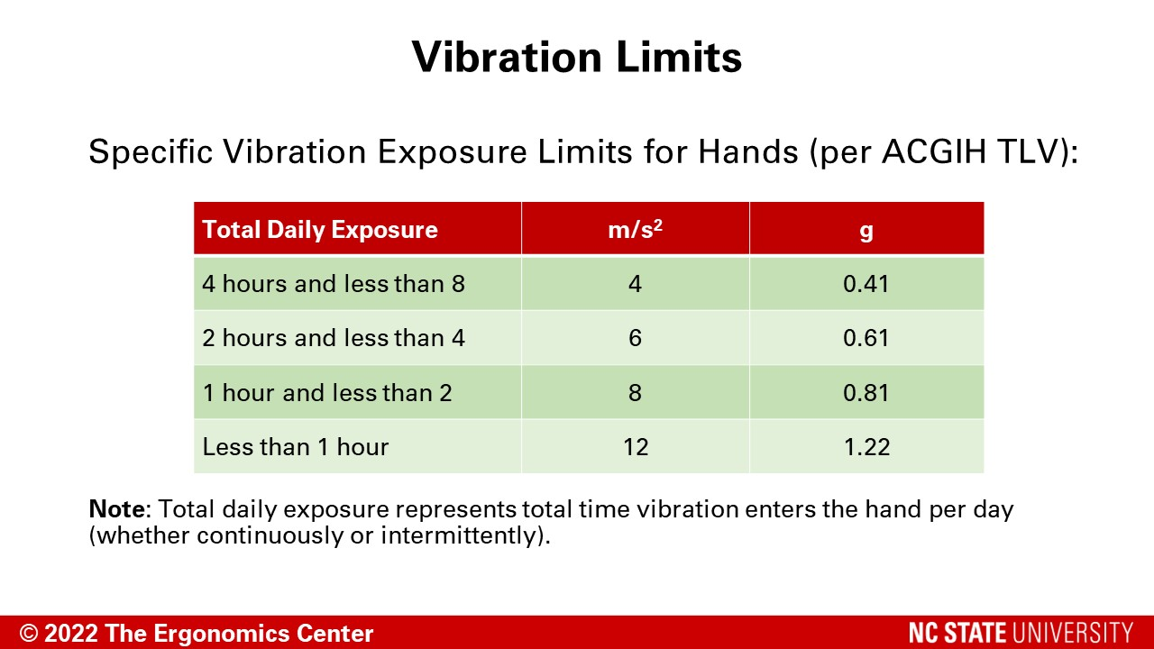

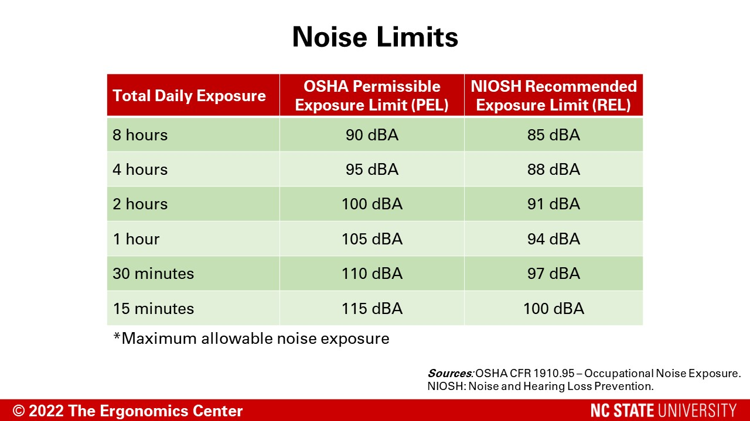

Brainstorming (1,2,4)
 | Brainstorming Solutions Tracking Form
 |  | BASIC INFORMATION
 |  | Analysis Date:
 |  | Analyst:
 |  | Location:
 |  | Job Description:
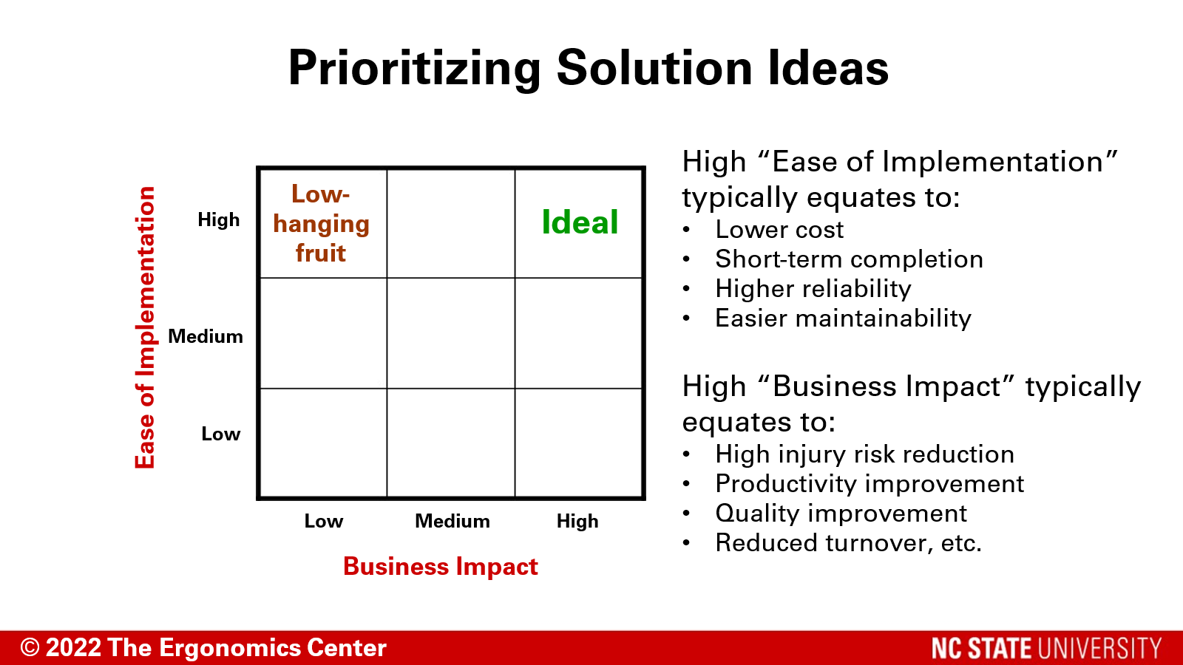
Brainstormed Solutions |  |  | Business Impact |  |  | Ease of Implementation |  |  | Short-term (S) or Long-term (L) Solution? | Priority Score
 |  |  | Low | Moderate | High | Low | Moderate | High
 |  |  | (1) | (2) | (4) | (1) | (2) | (4)
 |  |  |  |  |  | (Hard) |  | (Easy)

 |  |  |  |  |  |  |  |  |  |  | There is currently no password needed to unprotect this worksheet

 |  |  | Injury/Illness reduction; Production increases; Quality improvements; Reduced turnover |  |  | Lower cost; Short-term execution; Higher reliability; Easier maintainability; Liklier usability

