Revised Strain Index
Revised Strain Index

Date: |  | Task:
Company: |  | Supervisor:
Dept: |  | Evaluator:

Risk Factor | Observation |  |  | Left | Left Score | Right | Right Score
Intensity of Exertion (Borg Scale - BS) | Light: Barely noticeable or relaxed effort (BS: 0-2)
 | Somewhat Hard: Noticeable or definite effort (BS: 3)
 | Hard: Obvious effort; Unchanged facial expression (BS: 4-5)
 | Very Hard: Substantial effort; Changes expression (BS: 6-7)
 | Near Maximal: Uses shoulder or trunk for force (BS: 8-10)
Efforts Per Minute | Total Number of Exertions Observed | Left | Right

 | Total Obervation Time (sec.)

Duration Per Exertion | Average Single Exertion Time (sec.) | % Duration of Exertion ≤ 100% ?

 |  | Left | Right

Hand/Wrist Posture | Left | Right

Duration of Task Per Day | Duration of task per day (hours)

Results Key | SI < 10 | Job is probably safe
 | SI > 10 | Job is probably hazardous

Notes/ Comments |  |  |  |  | WARNING CENTER
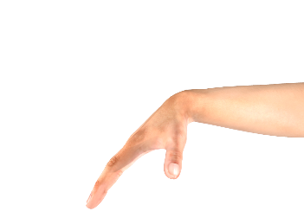

 |  |  |  |  | Reference Pictures
 |  |  |  |  | 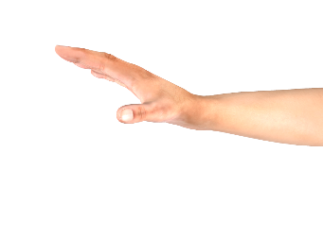

Flexion
Extension

Reference: Arun Garg, J. Steven Moore & Jay M. Kapellusch (2016): The Revised Strain Index: an improved upper extremity exposure assessment model, Ergonomics, DOI: 10.1080/00140139.2016.1237678

