NIOSH NEW
NIOSH Lifting Equation Scoring Sheet

Date: |  |  | Task:
Company: |  |  | Supervisor:
Dept: |  |  | Evaluator:

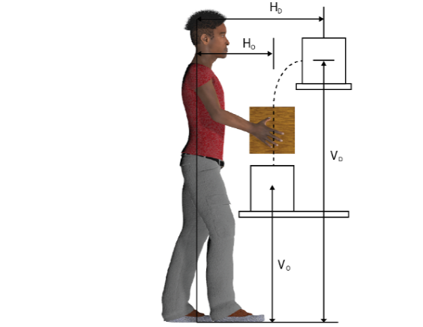
 |  | Origin |  | Destination
 |  | Measurement | Multiplier | Measurement | Multiplier
Load Weight (L) (pounds)
Load Constant (pounds) |  | 51 |  | 51
Horizontal Location ( H ) (inches) |  |  |  |  |  | GOOD | GOOD
Vertical Location ( V ) (inches) |  |  |  |  |  | FAIR | FAIR
Vertical Travel Distance ( |Vo - Vd| ) |  |  |  |  |  | POOR | POOR
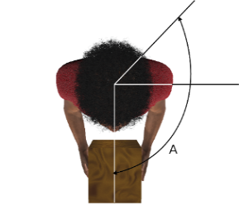
Asymmetry Angle ( A ) (degrees)
Lifting Duration (category)
Lifting Frequency ( F ) (lifts/minute)
Coupling ( C ) |  |  |  |  |  | SHORT
 |  |  |  |  |  | MODERATE
 |  |  |  |  |  | LONG
RESULTS

 |  |  | Origin | Destination
 | Recommended Weight Limit (RWL)

 | Lifting Index (LI)

 | LI < 1: This lift may be acceptable.
 | 1 < LI < 3: This lift may increase the risk of low back or lifting injury. Controls should be considered
 | LI > 3: This lift may exceed the capabilities of safely performing the lift for nearly all workers. Redesign of the lifting task is recommended.

 | N/A* = One of the multipliers is equal to 0. Consider the Lifting Index here to be greater than 3 (and in the RED category)

 | Use the smaller of the two RWL values and its corresponding LI value as the RWL and LI for the ENTIRE task.

Add relevant task notes on the NOTES tab.

